showEmployees
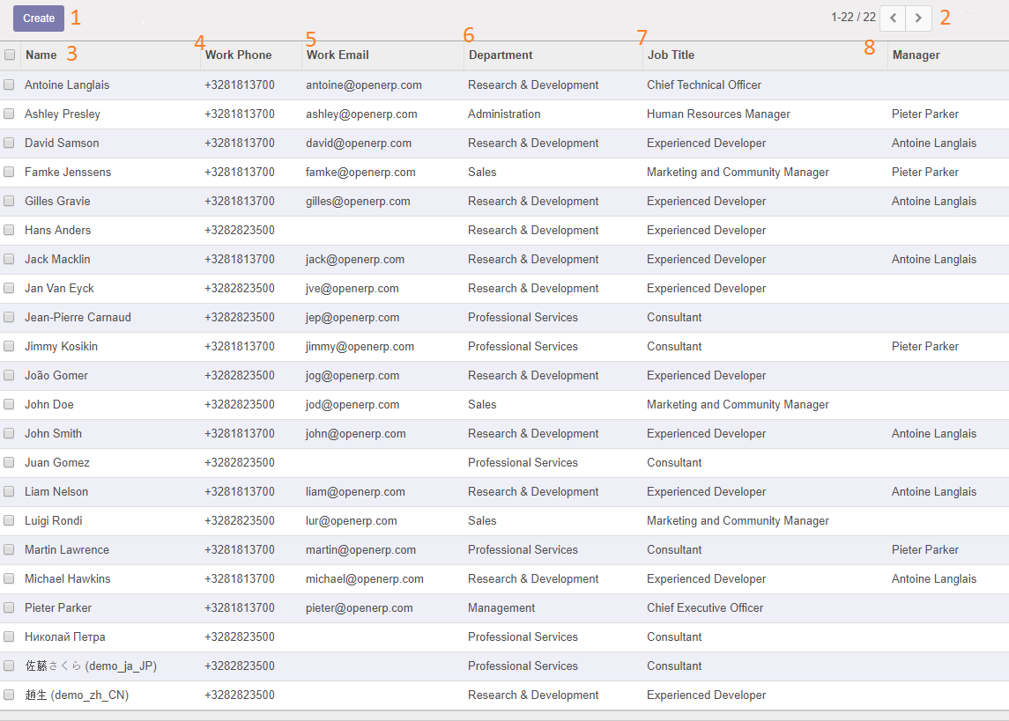

0. Overview
1 | Retrieving data
2 | Rendering the page

 | Function | URL | Method
 | shows the list of employees | GET /employees | showEmployees()

1. Retrieving data
 | Name | Data type | API
 | employees | List<Employee> | /employees

2. Rendering the page

 | Number on Wireframe | Labels on the page | Field Type | Initial Value on Page Load | Link or Action
 | 1 | Create | Button |  | Opens new employee form
 | 2 | Pagination | Button | 22 | Manage pagination
 | 3 | Name | Link |  | Redirect to employee details
 | 4 | Work Phone | Text
 | 5 | Work Email | Text
 | 6 | Department | Text
 | 7 | Job Title | Text
 | 8 | Manager | Text

showEmployeeDetails
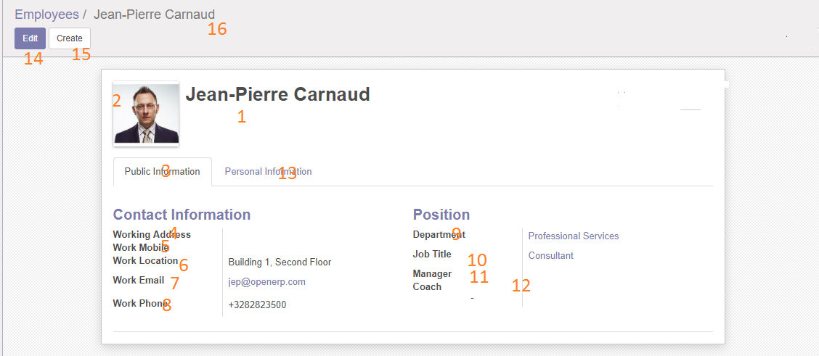

0. Overview
1 | Retrieving data
2 | Rendering the page

 | Function | URL | Method
 | shows the employee details | GET /employees/{employeeId} | showEmployeeDetails()

1. Retrieving data
 | Name | Data type | API
 | employee | Employee | /employees/:id

2. Rendering the page

 | Number on Wireframe | ID on the page | Labels on the page | Field Type | Link or Action
 | 1 | name | Name | Text
 | 2 | profilePicture | Profile picture | File
 | 3 |  | Public Information | Text
 | 4 | workingAddress | Working address | Text
 | 5 | workMobile | Work Mobile | Text, Number
 | 6 | workLocation | Work Location | Text
 | 7 | workEmail | Work Email | Text, Email
 | 8 | workPhone | Work Phone | Text
 | 9 | department | Department | Text
 | 10 | jobTitle | Job Title | Text
 | 11 | manager | Manager | Text
 | 12 | coach | Coach | Text
 | 13 |  | Personal Information | Tab
 | 14 |  | Edit | Button | Make the details page editable
 | 15 |  | Create | Button | Opens new employee form
 | 16 |  | BreadCrumb | Link | Navigate to previous pages
 | 17 | nationality | Nationality | Text
 | 18 | identificationNo | Identification No | Text, Number
 | 19 | passport No | Passport No | Text, Number
 | 20 | bankAccountNo | Bank Account No | Text, Number
 | 21 | gender | Gender | Text
 | 22 | maritalStatus | Marital Status | Text
 | 23 | homeAddress | Home Address | Text
 | 24 | dataOfBirth | Data Of Birth | Text, Date

newEmployeeForm
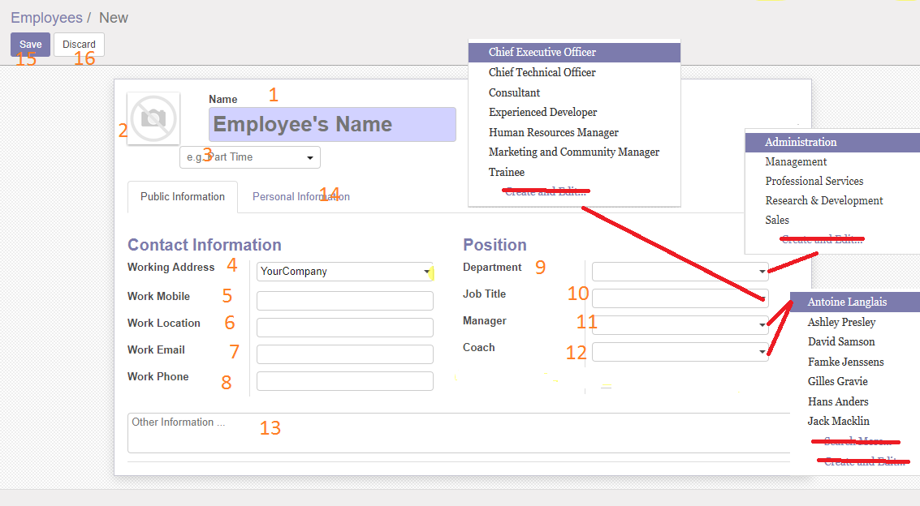
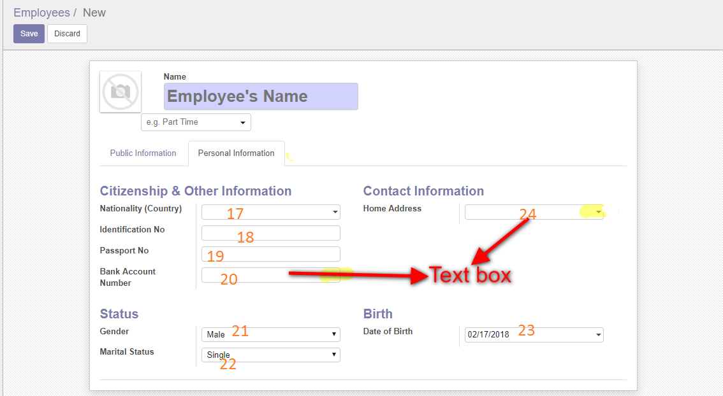

0. Overview
1 | Retrieving data
2 | Rendering the page

 | Function | URL | Method
 | shows new employee form | GET /employees/newemployee | newEmployee()

1. Retrieving data
 | Name | Data type | Method
 | companies | List<Company> | getAllCompanies()
 | departments | List<Department> | getAllDepartments()
 | jobTitles | List<JobTitle> | getAllJobTitles()
 | managers | List<Employee> | getAllEmployees()
 | coaches | List<Employee> | getAllEmployees()
 | countries | List<Country> | getAllCountries()

2. Rendering the page
 | Number on Wireframe | ID on the page | Label on the page | Field Type | Link or Action

 | 1 | name | Name | text
 | 2 | profilePicture |  | file
 | 3 | workType |  | text
 | 4 | workingAddress | Working Address | text
 | 5 | workMobile | Work Mobile | text, number
 | 6 | workLocation | Work Location | text
 | 7 | workEmail | Work Email | text, email
 | 8 | workPhone | Work Phone | text
 | 9 | department | Department | text
 | 10 | jobTitle | Job Title | text
 | 11 | manager | Manager | text
 | 12 | coach | Coach | text
 | 13 | otherInformation | Other Information | text
 | 14 |  | Personal Information | text
 | 15 |  | Save | submt | post the employee details to save
 | 16 |  | Discard | button | discard and go back to list
 | 17 | nationality | Nationality | text
 | 18 | identificationNo | Identification No | number, text
 | 19 | passportNo | Passport No | number, text
 | 20 | bankAccountNo | Bank Account Number | number, text
 | 21 | gender | Gender | text
 | 22 | maritalStatus | Marital Status | text
 | 23 | dateOfBirth | Date of Birth | date
 | 24 | homeAddress | Home Address | text

updateEmployeeDetails
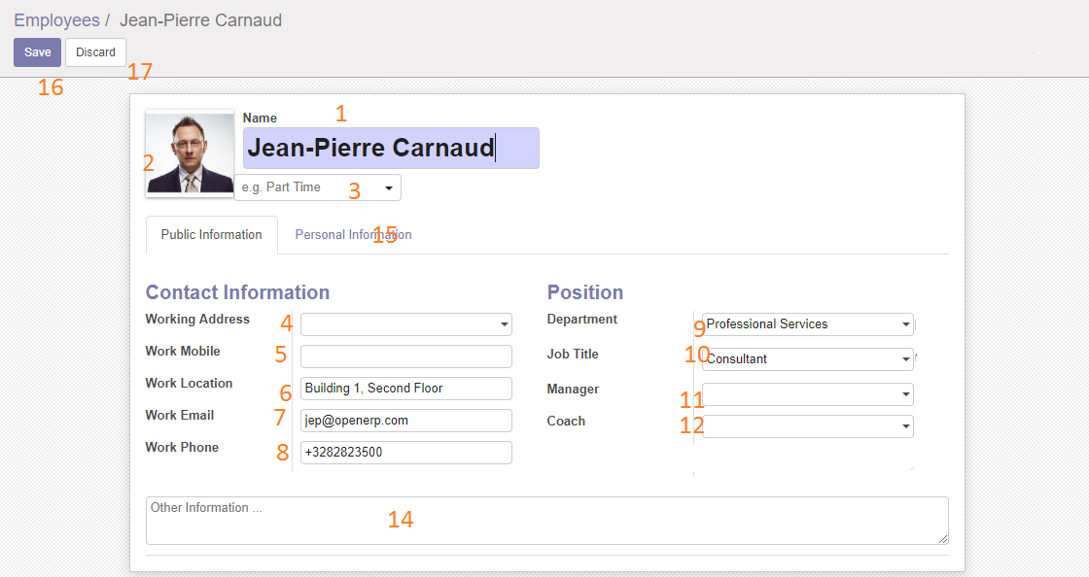

0. Overview
1 | Retrieving data
2 | Rendering the page

 | Function | URL | Method
 | Shows employee details in editable form | GET /employees/{employeeId} | updateEmployeeDetails()

1. Retrieving data
 | Name | Data type | Method
 | companies | List<Company> | getAllCompanies()
 | departments | List<Department> | getAllDepartments()
 | jobTitles | List<JobTitle> | getAllJobTitles()
 | managers | List<Employee> | getAllEmployees()
 | coaches | List<Employee> | getAllEmployees()
 | countries | List<Country> | getAllCountries()

2. Rendering the page
 | Number on Wireframe | ID on the page | Label on the page | Field Type | Initial value | Link or Action

 | 1 | name | Name | text | employee.name
 | 2 | profilePicture |  | file | employee.profilePicture
 | 3 | workType |  | text | employee.workType
 | 4 | workingAddress | Working Address | text | employee.workingAddress
 | 5 | workMobile | Work Mobile | text, number | employee.workMobile
 | 6 | workLocation | Work Location | text | employee.workLocation
 | 7 | workEmail | Work Email | text, email | employee.workEmail
 | 8 | workPhone | Work Phone | text | employee.workPhone
 | 9 | department | Department | text | employee.department
 | 10 | jobTitle | Job Title | text | employee.jobTItle
 | 11 | manager | Manager | text | employee.manager
 | 12 | coach | Coach | text | employee.coach
 | 14 | otherInformation | Other Information | text | employee.otherInformation
 | 15 |  | Personal Information | Tab
 | 16 |  | Save | submt |  | post the employee details to save
 | 17 |  | Discard | button |  | discard and go back to list
 | 18 | nationality | Nationality | text | employee.nationality
 | 19 | identificationNo | Identification No | number, text | employee.identificationNo
 | 20 | passportNo | Passport No | number, text | employee.passportNo
 | 21 | bankAccountNo | Bank Account Number | number, text | employee.bankAccountNo
 | 22 | gender | Gender | text | employee.gender
 | 23 | maritalStatus | Marital Status | text | employee.maritalStatus
 | 24 | dateOfBirth | Date of Birth | date | employee.dateOfBirth
 | 25 | homeAddress | Home Address | text | employee.homeAddress

